WAP
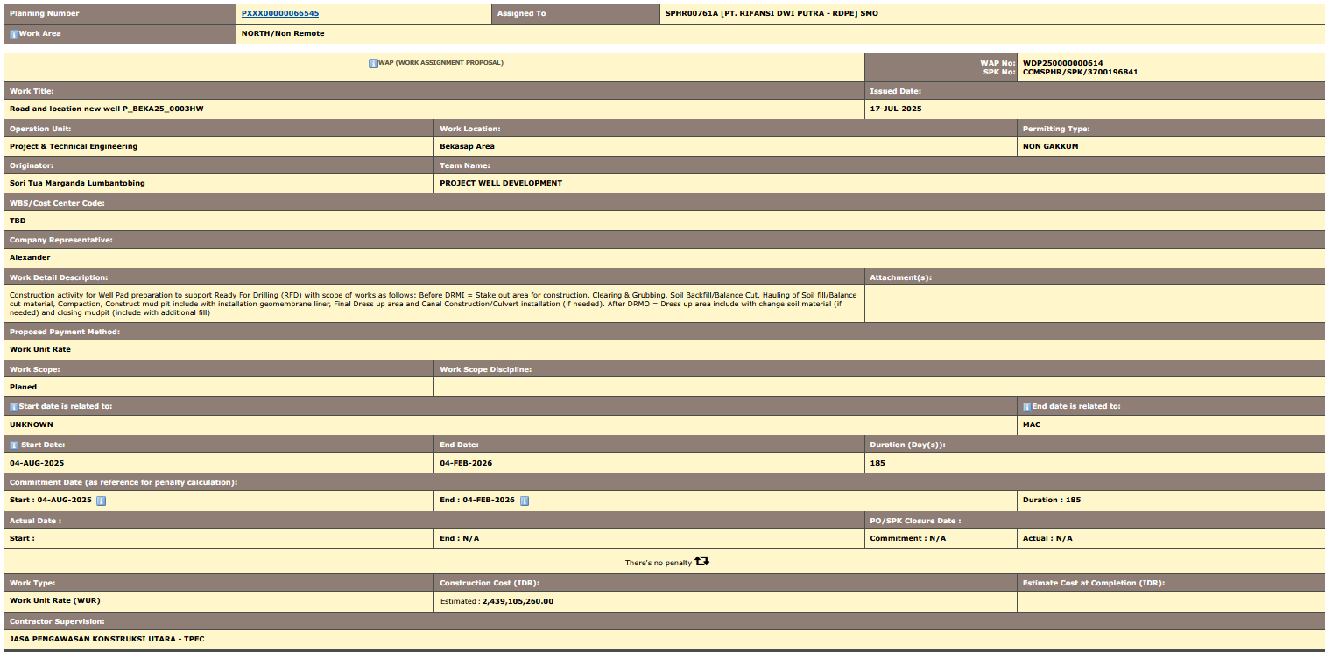
Planning Number | PXXX00000066545 | Assigned To | SPHR00761A [PT. RIFANSI DWI PUTRA - RDPE] SMO
articleWork Area | NORTH/Non Remote

articleWAP (WORK ASSIGNMENT PROPOSAL) |  |  |  | WAP No: | WDP250000000614
 |  |  |  | SPK No: | CCMSPHR/SPK/3700196841
Work Title: |  |  |  | Issued Date:
Road and location new well P_BEKA25_0003HW |  |  |  | 17-Jul-25
Operation Unit: | Work Location: |  |  |  | Permitting Type:
Project & Technical Engineering | Bekasap Area |  |  |  | NON GAKKUM
Originator: | Team Name:
Sori Tua Marganda Lumbantobing | PROJECT WELL DEVELOPMENT
WBS/Cost Center Code:
TBD
Company Representative:
Alexander
Work Detail Description: |  |  |  | Attachment(s):
Construction activity for Well Pad preparation to support Ready For Drilling (RFD) with scope of works as follows: Before DRMI = Stake out area for construction, Clearing & Grubbing, Soil Backfill/Balance Cut, Hauling of Soil fill/Balance cut material, Compaction, Construct mud pit include with installation geomembrane liner, Final Dress up area and Canal Construction/Culvert installation (if needed). After DRMO = Dress up area include with change soil material (if needed) and closing mudpit (include with additional fill)
Proposed Payment Method:
Work Unit Rate
Work Scope: | Work Scope Discipline:
Planed
articleStart date is related to: |  |  |  |  | articleEnd date is related to:
UNKNOWN |  |  |  |  | MAC
article Start Date: | End Date: |  |  | Duration (Day(s)):
4-Aug-25 | 4-Feb-26 |  |  | 185
Commitment Date (as reference for penalty calculation):
Start : 04-AUG-2025 | End : 04-FEB-2026 |  |  |  | Duration : 185
Actual Date : |  |  |  | PO/SPK Closure Date :
Start : | End : N/A |  |  | Commitment : N/A | Actual : N/A
There's no penalty
Work Type: | Construction Cost (IDR): |  |  |  | Estimate Cost at Completion (IDR):
Work Unit Rate (WUR) | Estimated | : | 2,439,105,260.00
Contractor Supervision:
JASA PENGAWASAN KONSTRUKSI UTARA - TPEC

BOQ.

Description |  |  | Unit | Non Remote |  | Remote |  | Total Price
 |  |  |  | Rate | Qty | Rate | Qty

PILING |  |  |  |  |  |  |  | -
 | Install Steel Pipe Pile |  |  |  |  |  |  | -
 |  | Install Steel Pipe Pile 4" | Meter | 144,000.00 | 477 |  |  | 68,688,000.00
 |  | Install Steel Pipe Pile 8" | Meter | 145,000.00 | 36 |  |  | 5,220,000.00
 |  | Install Steel Pipe Pile 12" | Meter | 280,000.00 | 477 |  |  | 133,560,000.00
 |  | Install Steel Pipe Pile 24" | Meter | 1,495,000.00 | 18 |  |  | 26,910,000.00
EARTHWORK & CIVIL |  |  |  |  |  |  |  | -
 | Earthworks |  |  |  |  |  |  | -
 |  | Earthworks Fill from Company Designated Location, Haul & Compacted (with hauling distance from 0.5 KM to 15 KM) | Cu. Meter | 110,000.00 | 8491 |  |  | 934,010,000.00
 |  | Additional Cost for Contractor Provided Fill | Cu. Meter | 75,000.00 | 8491 |  |  | 636,825,000.00
 |  | Land Clearing and Grubbing | Sq. Meter | 8,000.00 | 4740 |  |  | 37,920,000.00
 |  | Mud Pit Excavation/Construction | Cu. Meter | 34,000.00 | 950 |  |  | 32,300,000.00
 |  | Mud Pit Closing, Exclude Additional Dirt Fill | Cu. Meter | 30,000.00 | 950 |  |  | 28,500,000.00
 |  | Dress-up Road & Well Pad | Sq. Meter | 7,990.00 | 7600 |  |  | 60,724,000.00
 |  | Soil/Dirt Hauling, distance 0-10 KM (without compaction) | Cu. Meter | 50,000.00 | 849 |  |  | 42,450,000.00
 | Structural Steel Works |  |  |  |  |  |  | -
 |  | Fabricate and Install Structural Steel | Kilogram | 22,000.00 | 12000 |  |  | 264,000,000.00
 |  | Fabricate Steel Cellar Box | Each | 6,999,900.00 | 1 |  |  | 6,999,900.00
 |  | Install Steel Cellar Box | Each | 9,999,960.00 | 1 |  |  | 9,999,960.00
 |  | Dismantle Steel Cellar Box | Each | 3,999,900.00 | 1 |  |  | 3,999,900.00
 | Miscellaneous Works |  |  |  |  |  |  | -
 |  | Install HDPE Geomembrane | Sq. Meter | 50,000.00 | 1500 |  |  | 75,000,000.00
 |  | Dismantle Rig Substructure Foundation | Each | 5,000,000.00 | 1 |  |  | 5,000,000.00
 | Removal/Demolish Works |  |  |  |  |  |  | -
 |  | Removal/Demolish Unreinforced concrete | Cu. Meter | 1,800,000.00 | 10 |  |  | 18,000,000.00
SURVEY |  |  |  |  |  |  |  | -
 | Survey Work |  |  |  |  |  |  | -
 |  | Survey Works - Topographic Survey For Inventory | Hectare | 33,999,000.00 | 1 |  |  | 33,999,000.00
 |  | Survey Works - Survey & Construction Drawing for Well Program | Package | 6,000,000.00 | 1 |  |  | 6,000,000.00
SOIL & CIVIL TESTING |  |  |  |  |  |  |  | -
 | Field Testing |  |  |  |  |  |  | -
 |  | Field Insitu Sand Cone Test, ASTM D1556 | Test | 1,799,900.00 | 5 |  |  | 8,999,500.00

TOTAL |  |  |  |  |  |  |  | 2,439,105,260.00

